9
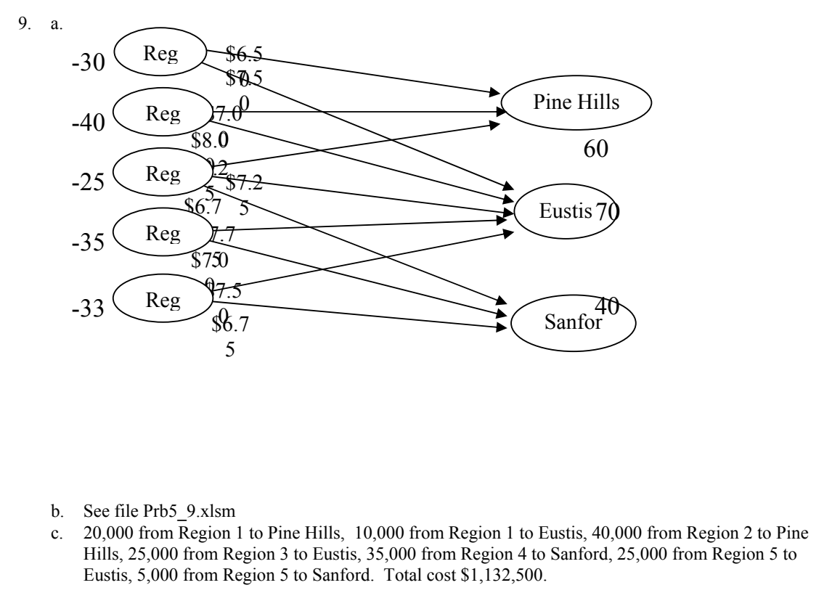
 |  |  |  | Total Supply | 163 | As total supply is less than total demand we use the constraint Netflow(in-out)<=Supply/demand
 |  |  |  | Total Demand | 170

Xij | From |  | TO
20 | 1 | Region 1 | 6 | Pine Hills | 6.5 |  |  |  |  | Demand/Supply in 1000
10 | 1 | Region 1 | 7 | Eustis | 7.5 |  | Nodes | Region | Net Flow
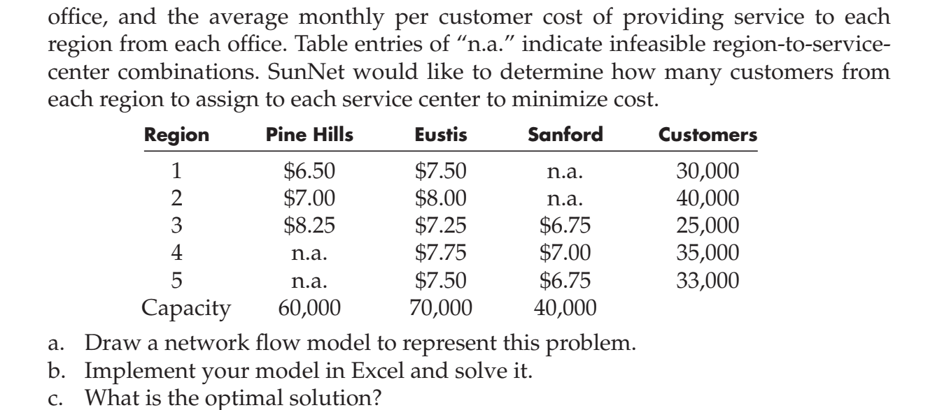
40 | 2 | Region 2 | 6 | Pine Hills | 7 |  | 1 | Region 1 | -30 | -30
0 | 2 | Region 2 | 7 | Eustis | 8 |  | 2 | Region 2 | -40 | -40
0 | 3 | Region 3 | 6 | Pine Hills | 8.25 |  | 3 | Region 3 | -25 | -25
25 | 3 | Region 3 | 7 | Eustis | 7.25 |  | 4 | Region 4 | -35 | -35
0 | 3 | Region 3 | 8 | Sanford | 6.75 |  | 5 | Region 5 | -33 | -33
0 | 4 | Region 4 | 7 | Eustis | 7.75 |  | 6 | Pine Hills | 60 | 60
35 | 4 | Region 4 | 8 | Sanford | 7 |  | 7 | Eustis | 63 | 70
28 | 5 | Region 5 | 7 | Eustis | 7.5 |  | 8 | Sanford | 40 | 40
5 | 5 | Region 5 | 8 | Sanford | 6.75

 |  |  | Total |  | 1155

11
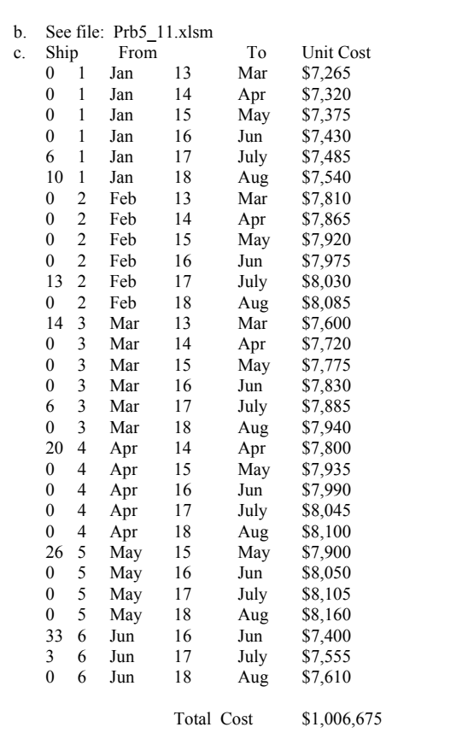
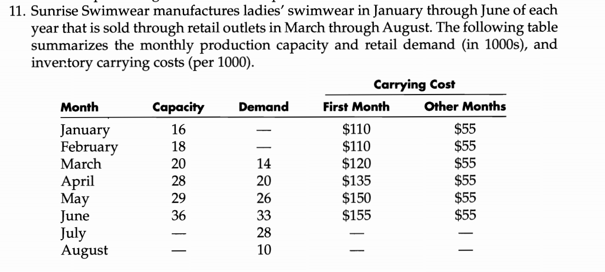
 | From |  | To |  |  |  |  |  | Total supply | 147
Xij | i | Month | j | Month | Unit cost |  |  |  | Total demand | 131
 | 1 | Jan | 13 | Mar
 | 1 | Jan | 14 | Apr
 | 1 | Jan | 15 | May
 | 1 | Jan | 16 | Jun |  | Nodes | Month | Net Flow | Demand/Supply | Carrying cost 1 | Carrying cost 2
 | 1 | Jan | 7 | Jul |  | 1 | Jan | 0 | -16 | $110 | $55
 | 1 | Jan | 8 | Aug |  | 2 | Feb | 0 | -18 | $110 | $55
 | 2 | Feb | 13 | Mar |  | 3 | Mar | 0 | -20 | $120 | $55
 | 2 | Feb | 14 | Apr |  | 4 | Apr | 0 | -28 | $135 | $55
 | 2 | Feb | 15 | May |  | 5 | May | 0 | -29 | $150 | $55
 | 2 | Feb | 16 | Jun |  | 6 | Jun | 0 | -36 | $155 | $55
 | 2 | Feb | 7 | Jul |  | 13 | Mar | 0 | 14
 | 2 | Feb | 8 | Aug |  | 14 | Apr | 0 | 20
 | 3 | Mar | 13 | Mar |  | 15 | May | 0 | 26
 | 3 | Mar | 14 | Apr |  | 16 | Jun | 0 | 33
 | 3 | Mar | 15 | May |  | 7 | Jul | 0 | 28
 | 3 | Mar | 16 | Jun |  | 8 | Aug | 0 | 10
 | 3 | Mar | 7 | Jul
 | 3 | Mar | 8 | Aug
 | 4 | Apr | 14 | Apr |  |  |  | As total supply> total demand we use the constraint netflow>= supply/demand
 | 4 | Apr | 15 | May
 | 4 | Apr | 16 | Jun
 | 4 | Apr | 7 | Jul
 | 4 | Apr | 8 | Aug
 | 5 | May | 15 | May
 | 5 | May | 16 | Jun
 | 5 | May | 7 | Jul
 | 5 | May | 8 | Aug
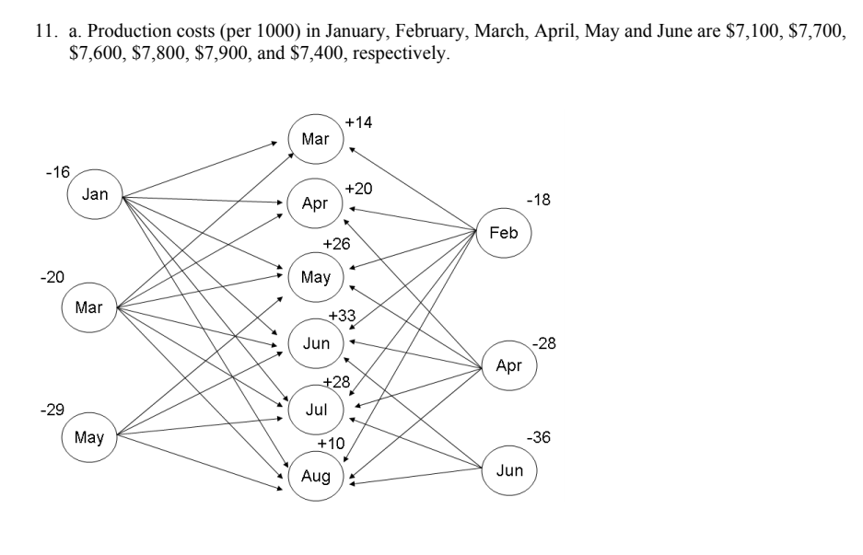
 | 6 | Jun | 16 | Jun
 | 6 | Jun | 7 | Jul
 | 6 | Jun | 8 | Aug

14
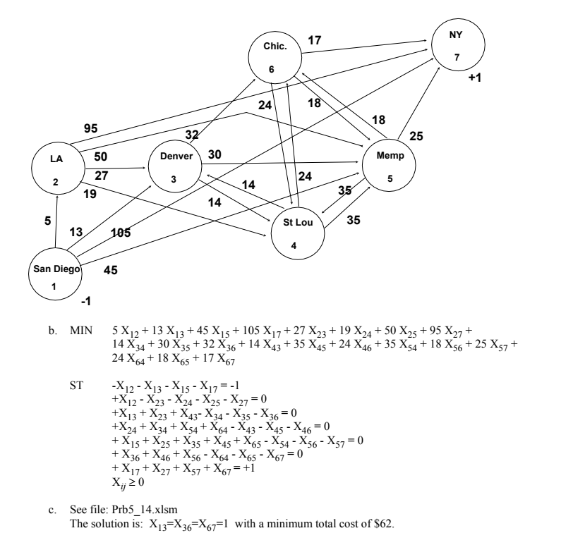
Xij | i | From | j | To | Cost
0 | 1 | San Diego | 2 | Los Angeles | $5.00
1 | 1 | San Diego | 3 | Denver | $13.00 |  | Nodes | Net Flow | Supply/Demand
0 | 1 | San Diego | 5 | Memphis | $45.00 | 1 | San Diego | -1 | -1
0 | 1 | San Diego | 7 | New York | $105.00 | 2 | Los Angeles | 0 | 0
0 | 2 | Los Angeles | 3 | Denver | $27.00 | 3 | Denver | 0 | 0
0 | 2 | Los Angeles | 4 | St. Louis | $19.00 | 4 | St. Louis | 0 | 0
0 | 2 | Los Angeles | 5 | Memphis | $50.00 | 5 | Memphis | 0 | 0
0 | 2 | Los Angeles | 7 | New York | $95.00 | 6 | Chicago | 0 | 0
0 | 3 | Denver | 4 | St. Louis | $14.00 | 7 | New York | 1 | 1
0 | 3 | Denver | 5 | Memphis | $30.00
1 | 3 | Denver | 6 | Chicago | $32.00
0 | 4 | St. Louis | 3 | Denver | $14.00
0 | 4 | St. Louis | 5 | Memphis | $35.00
0 | 4 | St. Louis | 6 | Chicago | $24.00
0 | 5 | Memphis | 4 | St. Louis | $35.00
0 | 5 | Memphis | 6 | Chicago | $18.00
0 | 5 | Memphis | 7 | New York | $25.00
0 | 6 | Chicago | 4 | St. Louis | $24.00
0 | 6 | Chicago | 5 | Memphis | $18.00
1 | 6 | Chicago | 7 | New York | $17.00

 |  |  |  | Total cost
 |  |  |  | $62.00

16
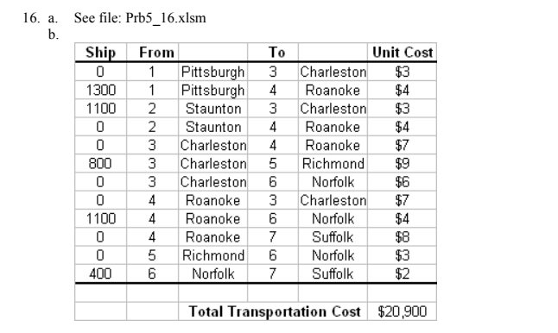
Transport Xij | From |  | To
 | i | Nodes | j | Nodes | Unit cost |  |  | total supply | 2500
0 | 1 | Pittsburgh | 3 | Charleston | $3.00 |  |  | Total demand | 2400
1300 | 1 | Pittsburgh | 4 | Roanoke | $4.00 |  |  | Supply greater than demand
1100 | 2 | Staunton | 3 | Charleston | $3.00 |  | Nodes | Net Flow | Supply/Demand
0 | 2 | Staunton | 4 | Roanoke | $4.00 | 1 | Pittsburgh | -1300 | -1300
0 | 3 | Charleston | 4 | Roanoke | $7.00 | 2 | Staunton | -1100 | -1200
800 | 3 | Charleston | 5 | Richmond | $9.00 | 3 | Charleston | 300 | 300
0 | 3 | Charleston | 6 | Norfolk | $6.00 | 4 | Roanoke | 200 | 200
0 | 4 | Roanoke | 3 | Charleston | $7.00 | 5 | Richmond | 800 | 800
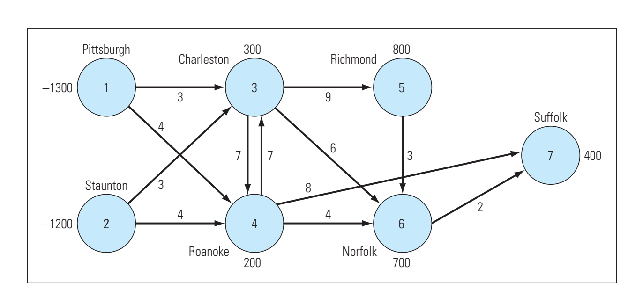
1100 | 4 | Roanoke | 6 | Norfolk | $4.00 | 6 | Norfolk | 700 | 700
0 | 4 | Roanoke | 7 | Surfolk | $8.00 | 7 | Surfolk | 400 | 400
0 | 5 | Richmond | 6 | Norfolk | $3.00
400 | 6 | Norfolk | 7 | Surfolk | $2.00
 |  |  |  |  |  |  | Since Supply is greater than demand, netflow>=supply
 |  |  |  | Total cost
 |  |  |  | 20900

17
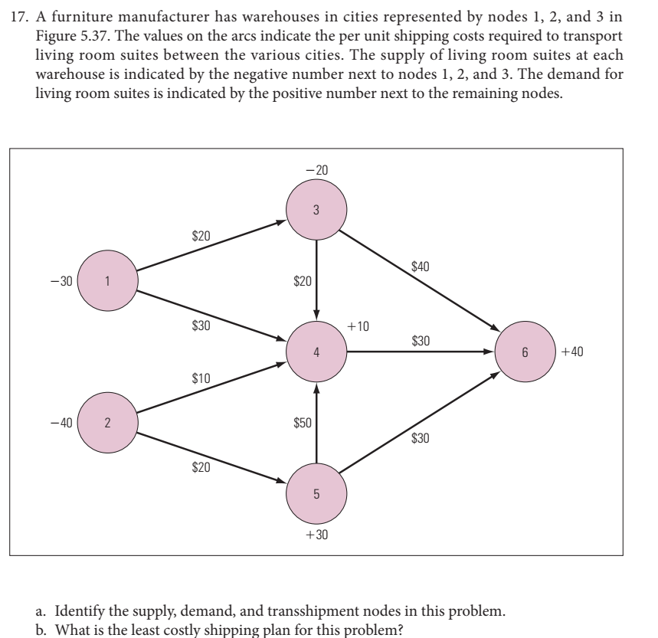
Transport Xij | From | To
 | Nodes i | Nodes j | Unit cost
20 | 1 | 3 | $20.00 | Nodes | Net Flow | Demand/Supply
0 | 1 | 4 | $30.00 | 1 | -20 | -30 | Total supply | 90
10 | 2 | 4 | $10.00 | 2 | -40 | -40 | Total Demand | 80
30 | 2 | 5 | $20.00 | 3 | -20 | -20
0 | 3 | 4 | $20.00 | 4 | 10 | 10
40 | 3 | 6 | $40.00 | 5 | 30 | 30
0 | 4 | 6 | $30.00 | 6 | 40 | 40
0 | 5 | 4 | $50.00
0 | 5 | 6 | $30.00 | Supply is greater than demand. Hence we have constraint as netflow>=demand.

 |  | Total cost | $2,700.00

18
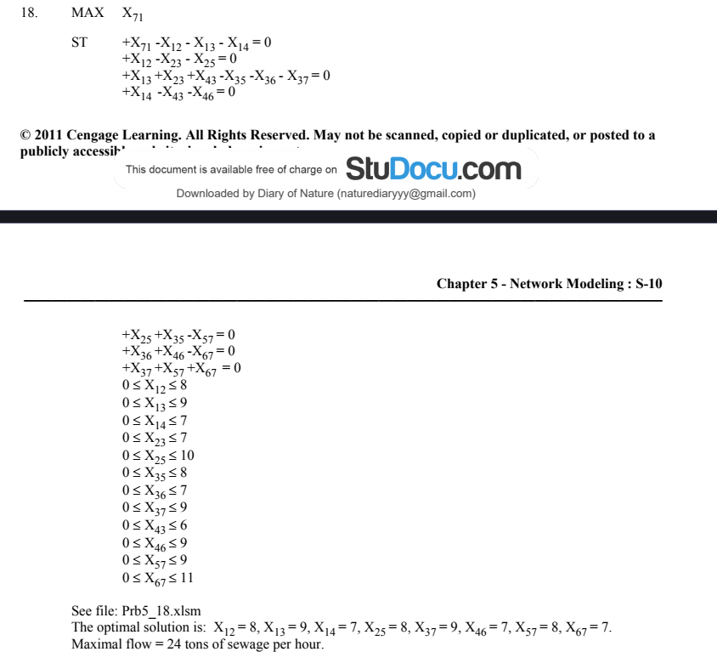
Flow Xij | From | To
 | Nodes i | Nodes j | Max flow
8 | 1 | 2 | 8
9 | 1 | 3 | 9
7 | 1 | 4 | 7 | Nodes | Net flow
0 | 2 | 3 | 7 | 1 | 0
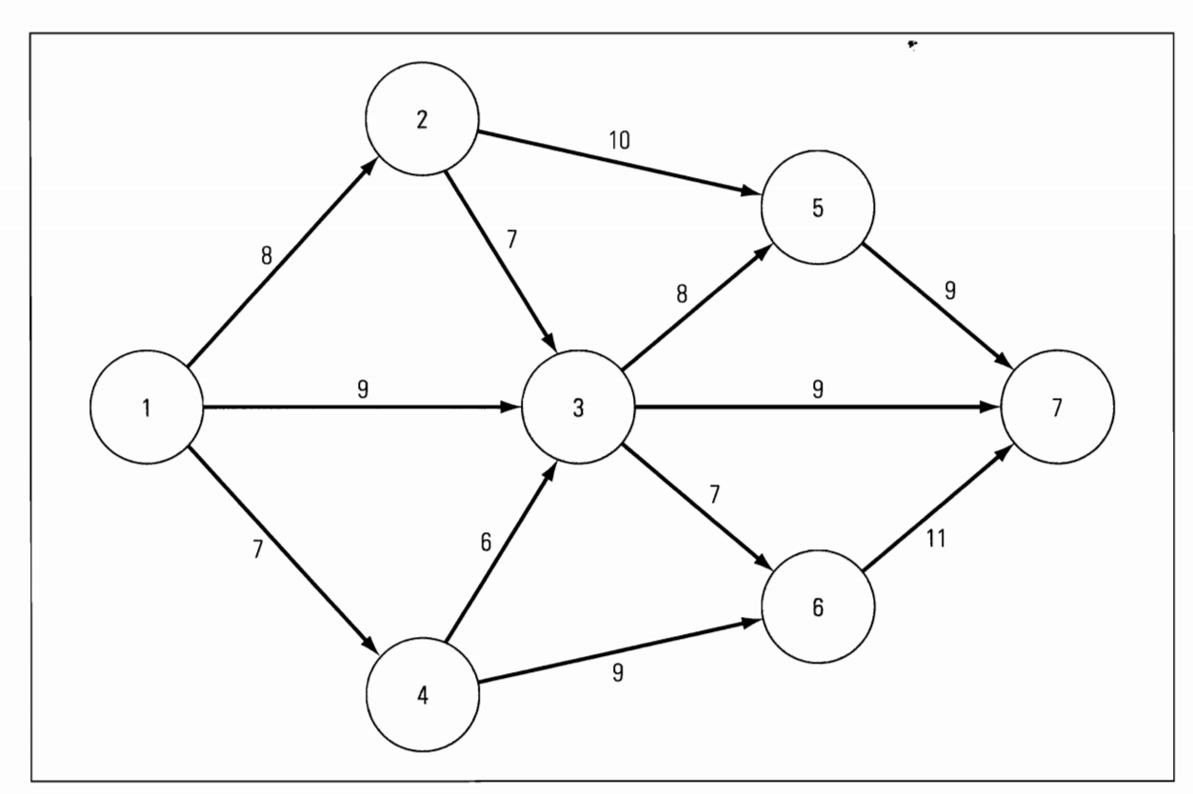
8 | 2 | 5 | 10 | 2 | 0
0 | 3 | 5 | 10 | 3 | 0
0 | 3 | 6 | 8 | 4 | 0
9 | 3 | 7 | 9 | 5 | 0
0 | 4 | 3 | 6 | 6 | 0
7 | 4 | 6 | 9 | 7 | 0
8 | 5 | 7 | 9
7 | 6 | 7 | 11
24 | 7 | 1 | 9999
Max flow from 1 to 7 |  |  | 24

21
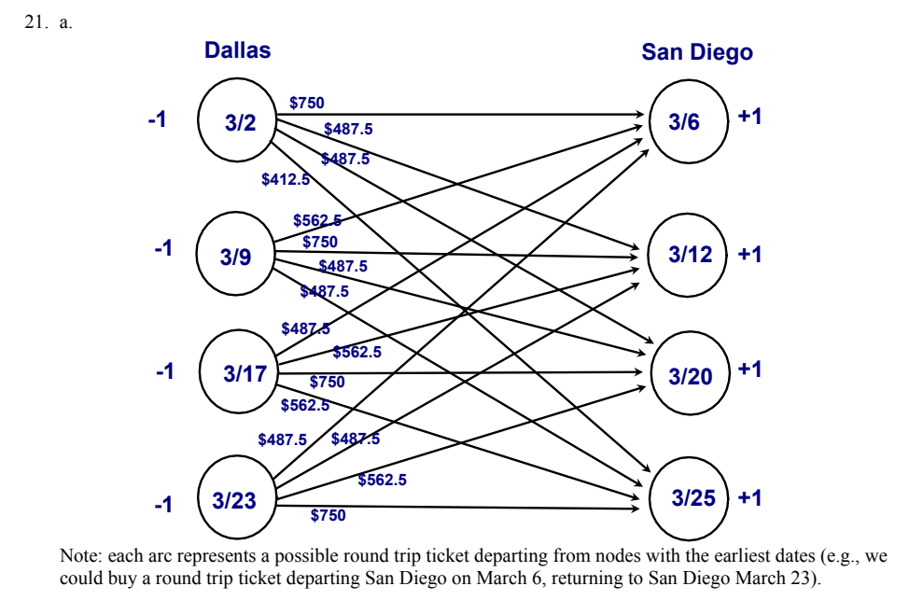
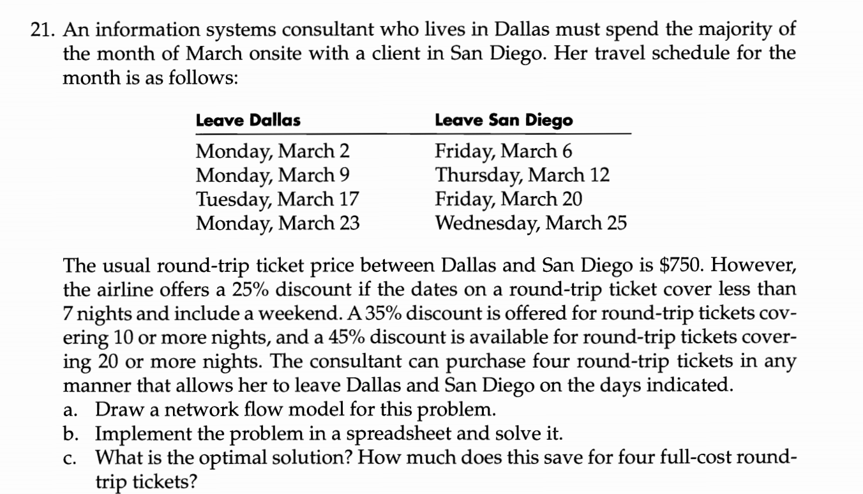
Round trip | Leave Dallas |  | Leave San Diego
 | i | Nodes | j | Nodes | Cost
0 | 2 | Monday March 2 | 6 | Friday March 6 | $750.0
0 | 2 | Monday March 2 | 12 | Thursday March 12 | $487.5
0 | 2 | Monday March 2 | 20 | Friday March 20 | $487.5 |  | Nodes | Net flow | supply/demand
1 | 2 | Monday March 2 | 25 | Wednesday March 25 | $412.5 | 2 | Monday, March 2 | -1 | -1
0 | 9 | Monday March 9 | 6 | Friday March 6 | $562.5 | 9 | Monday, March 9 | -1 | -1
0 | 9 | Monday March 9 | 12 | Thursday March 12 | $750.0 | 17 | Tuesday, March 17 | -1 | -1
1 | 9 | Monday March 9 | 20 | Friday March 20 | $487.5 | 23 | Monday, March 23 | -1 | -1
0 | 9 | Monday March 9 | 25 | Wednesday March 25 | $487.5 | 6 | Friday, March 6 | 1 | 1
1 | 17 | Tuesday March 17 | 6 | Friday March 6 | $487.5 | 12 | Thursday, March 12 | 1 | 1
0 | 17 | Tuesday March 17 | 12 | Thursday March 12 | $562.5 | 20 | Friday, March 20 | 1 | 1
0 | 17 | Tuesday March 17 | 20 | Friday March 20 | $750.0 | 25 | Wednesday, March 25 | 1 | 1
0 | 17 | Tuesday March 17 | 25 | Wednesday March 25 | $562.5
0 | 23 | Monday March 23 | 6 | Friday March 6 | $487.5
1 | 23 | Monday March 23 | 12 | Thursday March 12 | $487.5
0 | 23 | Monday March 23 | 20 | Friday March 20 | $562.5
0 | 23 | Monday March 23 | 25 | Wednesday March 25 | $750.0

 |  |  |  | Total cost | $1,875.00
 |  |  |  | Total trip | 4

 |  |  |  | Saving | $1,125.00

23
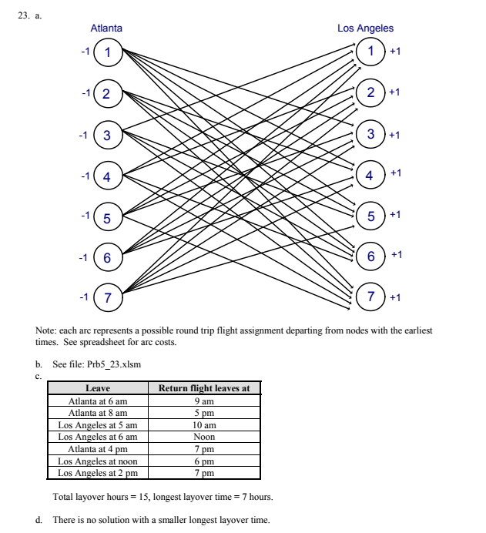
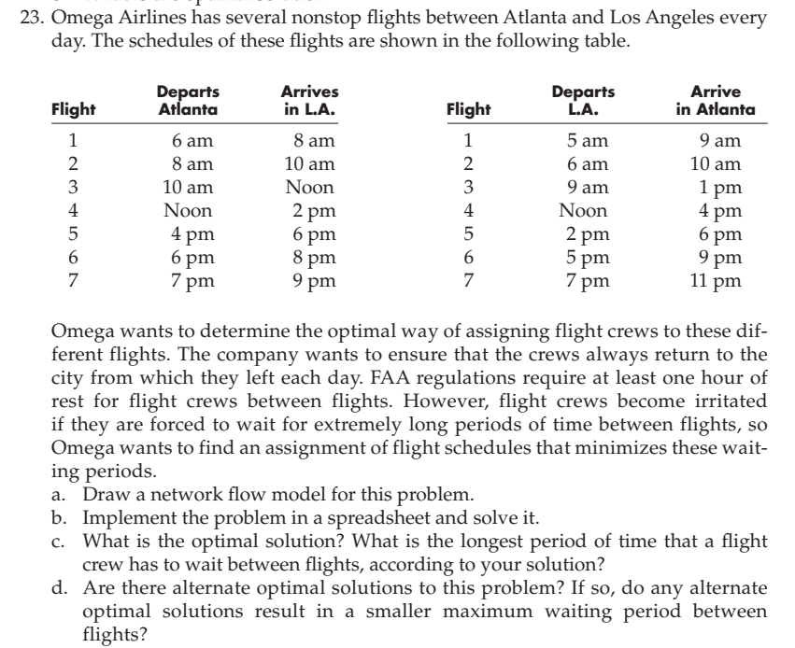
Flight Xij | From | To
 | Atlanta-LA |  | LA-Atlanta |  | Waiting periods
1 | 1 | 6am-8am | 10 | 9am-1pm | 1
0 | 1 | 6am-8am | 11 | Noon-4pm | 4
0 | 1 | 6am-8am | 12 | 2pm-6pm | 6
0 | 1 | 6am-8am | 13 | 5pm-9pm | 9
0 | 1 | 6am-8am | 14 | 7pm-11pm | 11
0 | 2 | 8am-10am | 11 | Noon-4pm | 2 | Node | Net Flow | Supply
0 | 2 | 8am-10am | 12 | 2pm-6pm | 4 | 1 | -1 | -1
1 | 2 | 8am-10am | 13 | 5pm-9pm | 7 | 2 | -1 | -1
0 | 2 | 8am-10am | 14 | 7pm-11pm | 9 | 3 | -1 | -1
1 | 3 | 10am-Noon | 8 | 5am-9am | 1 | 4 | -1 | -1
0 | 3 | 10am-Noon | 12 | 2pm-6pm | 2 | 5 | -1 | -1
0 | 3 | 10am-Noon | 13 | 5pm-9pm | 5 | 6 | -1 | -1
0 | 3 | 10am-Noon | 14 | 7pm-11pm | 7 | 7 | -1 | -1
0 | 4 | Noon-2pm | 8 | 5am-9am | 3 | 8 | 1 | 1
1 | 4 | Noon-2pm | 9 | 6am-10am | 2 | 9 | 1 | 1
0 | 4 | Noon-2pm | 13 | 5pm-9pm | 3 | 10 | 1 | 1
0 | 4 | Noon-2pm | 14 | 7pm-11pm | 5 | 11 | 1 | 1
0 | 5 | 4pm-6pm | 8 | 5am-9am | 7 | 12 | 1 | 1
0 | 5 | 4pm-6pm | 9 | 6am-10am | 6 | 13 | 1 | 1
0 | 5 | 4pm-6pm | 10 | 9am-1pm | 3 | 14 | 1 | 1
1 | 5 | 4pm-6pm | 14 | 7pm-11pm | 1
0 | 6 | 6pm-8pm | 8 | 5am-9am | 9
0 | 6 | 6pm-8pm | 9 | 6am-10am | 8
0 | 6 | 6pm-8pm | 10 | 9am-1pm | 5
1 | 6 | 6pm-8pm | 11 | Noon-4pm | 2
0 | 7 | 7pm-9pm | 8 | 5am-9am | 10
0 | 7 | 7pm-9pm | 9 | 6am-10am | 9
0 | 7 | 7pm-9pm | 10 | 9am-1pm | 6
0 | 7 | 7pm-9pm | 11 | Noon-4pm | 3
1 | 7 | 7pm-9pm | 12 | 2pm-6pm | 1

 |  |  | total waiting periods |  | 15

27
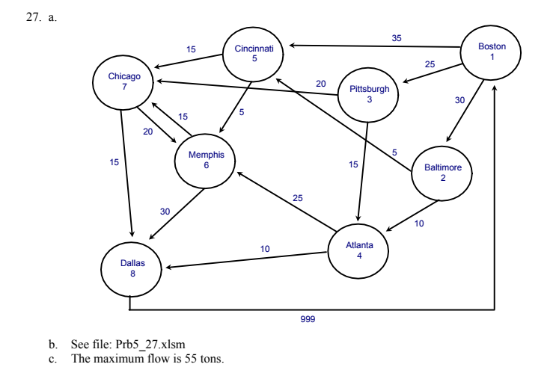
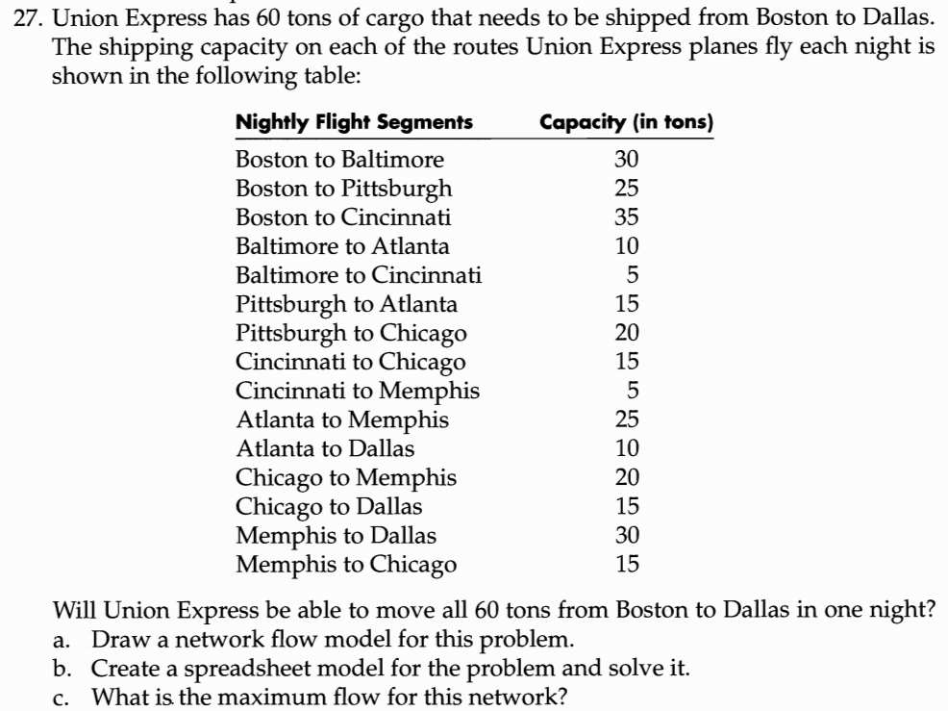
 |  |  |  |  | Capacity (in tons)
Path | From |  | To
10 | 1 | Boston | 2 | Baltimore | 30
25 | 1 | Boston | 3 | Pittsburgh | 25 | Node | City | Net flow | Demand/Supply
20 | 1 | Boston | 4 | Cincinnati | 35 | 1 | Boston | 0 | 0
0 | 2 | Baltimore | 4 | Cincinnati | 5 | 2 | Baltimore | 0 | 0
10 | 2 | Baltimore | 5 | Atlanta | 10 | 3 | Pittsburgh | 0 | 0
15 | 3 | Pittsburgh | 5 | Atlanta | 15 | 4 | Cincinnati | 0 | 0
10 | 3 | Pittsburgh | 6 | Chicago | 20 | 5 | Atlanta | 0 | 0
15 | 4 | Cincinnati | 6 | Chicago | 15 | 6 | Chicago | 0 | 0
5 | 4 | Cincinnati | 7 | Memphis | 5 | 7 | Memphis | 0 | 0
15 | 5 | Atlanta | 7 | Memphis | 25 | 8 | Dallas | 0 | 0
10 | 5 | Atlanta | 8 | Dallas | 10
10 | 6 | Chicago | 7 | Memphis | 20
15 | 6 | Chicago | 8 | Dallas | 15
0 | 7 | Memphis | 6 | Chicago | 15
30 | 7 | Memphis | 8 | Dallas | 30
55 | 8 | Dallas | 1 | Boston | 999

 |  | Maximum flow | 55

30
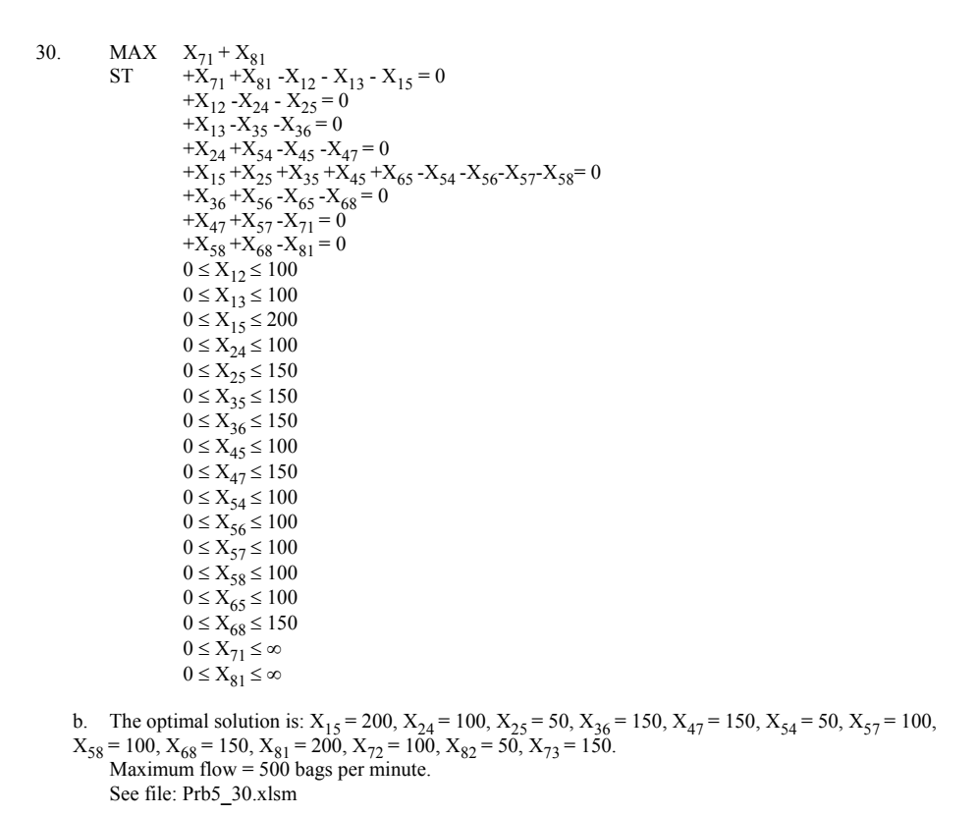
Path | From | To | Maximum number of bags per minute
100 | 1 | 2 | 100
0 | 1 | 3 | 100
200 | 1 | 5 | 200
100 | 2 | 4 | 100
50 | 2 | 5 | 150 |  | Node | Net Flow | Demand/Supply
0 | 3 | 5 | 150 |  | 1 | 0 | 0
150 | 3 | 6 | 150 |  | 2 | 0 | 0
0 | 4 | 5 | 100 |  | 3 | 0 | 0
150 | 4 | 7 | 150 |  | 4 | 0 | 0
50 | 5 | 4 | 100 |  | 5 | 0 | 0
0 | 5 | 6 | 100 |  | 6 | 0 | 0
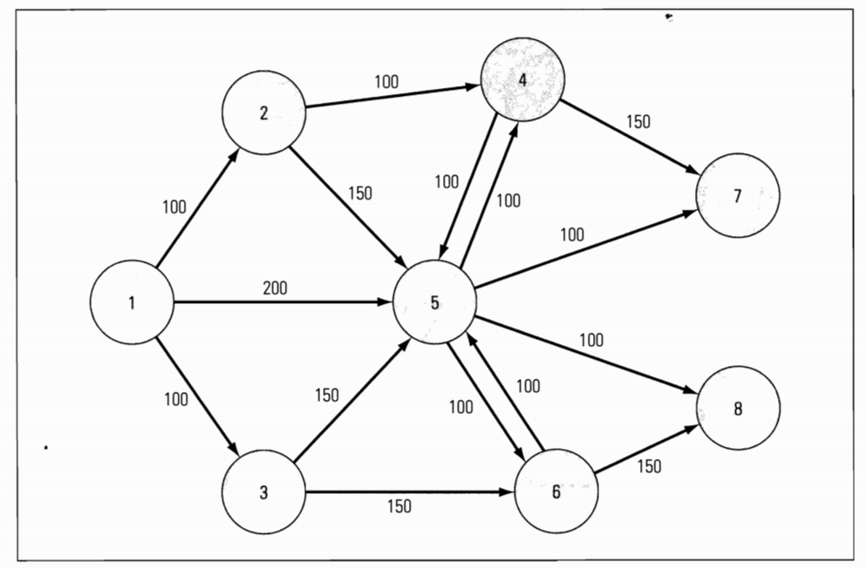
100 | 5 | 7 | 100 |  | 7 | 0 | 0
100 | 5 | 8 | 100 |  | 8 | 0 | 0
0 | 6 | 5 | 100 |  | 9 | 0 | 0
150 | 6 | 8 | 150
250 | 7 | 9 | 9999
250 | 8 | 9 | 9999
300 | 9 | 1 | 9999
50 | 9 | 2 | 9999
150 | 9 | 3 | 9999

 |  |  | Maxinum numbers of bags delivered | 500

